Cover
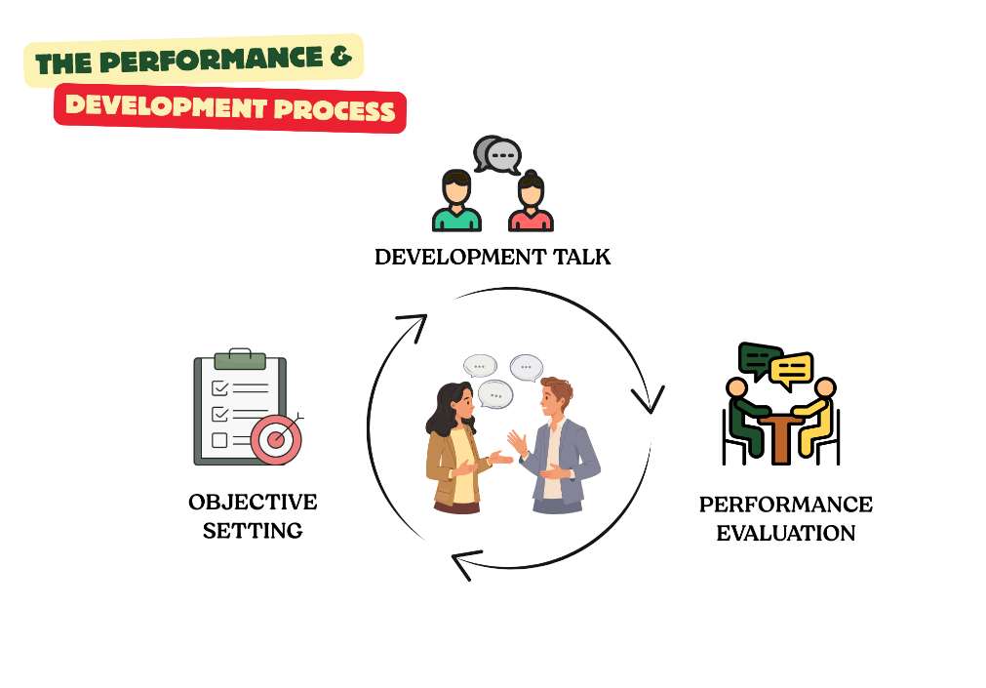
PERFORMANCE
& DEVELOPMENT
TOOLS

Nama : |  | Nomor ID: |  | Posisi : |  | Manajer :
Name : |  | ID Number: |  | Position : |  | Manager :
Lama waktu di posisi : |  |  | Tahun :
Time in position : |  |  | Current year :

OBJECTIVE SETTING | Tanggal: Date: |  | Tanda Tangan Signature |  | Tanda Tangan Manajer Manager's signature
DEVELOPMENT TALK | Tanggal: Date: |  | Tanda Tangan Signature |  | Tanda Tangan Manajer Manager's signature
PERFORMANCE REVIEW | Tanggal: Date: |  | Tanda Tangan Signature |  | Tanda Tangan Manajer Manager's signature
 |  |  | Saya mengkonfirmasi bahwa kami telah mengadakan pertemuan dan mendiskusikan informasi yang terdokumentasi / I confirm that we have had a meeting and discussed the documented information |  | Saya juga memastikan bahwa input dari Matrix telah dimasukkan / I also ensure that the input from the Matrix partner have been included

1. Objective Setting
SMART Criteria
Spesifik Apakah tujuan menentukan dengan tepat apa yang harus dicapai?
Measurable Dapatkah saya mengukur kemajuan dan jika saya telah mencapai tujuan dengan sukses?
Setuju Apakah setiap orang yang terlibat memahami dan menyetujui tujuan?
Realistis Apakah tujuan itu menantang tetapi masih mungkin untuk dicapai?
Terikat waktu Apakah disebutkan kapan tujuan harus dicapai?
Specific Does the goal define exactly what should be achieved?
Measurable Can I measure progress and if I have achieved the goal successfully?
Agreed Does everyone involved understand and agree upon the goal?
Realistic Is the goal challenging but still possible to achieve?
Time bound Does it say when the goal should be achieved?
OBJECTIVE SETTING
Penetapan Target
Tujuan: Dokumentasikan apa yang harus Anda fokuskan selama tahun yang akan datang (dalam bingkai profil kompetensi Anda) untuk berkontribusi pada kebutuhan bisnis tim Anda, function atau unit |  | Jumlah Target: Direkomendasikan untuk menentukan 2-3 tujuan untuk dikerjakan di tahun yang akan datang. Tuliskan tujuan Anda sesuai dengan kriteria SMART. Anda dapat bertanya kepada diri sendiri pertanyaan-pertanyaan berikut untuk setiap tujuan:

Purpose: Document what you should focus on during the coming year (within the frame of your competence profile) to contribute to the business needs of your team, functionor unit |  | Number of Goals: It is recommended to define 2-3 goals to work with the coming year. Write your goals according to the SMART criteria. You can ask yourself the following questions for each goal:

No. | Detil Target / Objective Details | Ukuran / Measure | Tanggal / Date |  | Langkah yang sudah dilakukan / Milestone
 |  |  | Mulai / Start | Selesai / End
1
2
3
4
5

 | Note • Tujuan Pribadi difokuskan pada kontribusi pribadi dan langsung karyawan di The Lodge Maribaya. Formulir ini berisi draf akhir Tujuan dan digunakan untuk meminta persetujuan resmi dari manajer lini langsung karyawan. • Personal Objectives are focused on an employee's personal and direct contribution at The Lodge Maribaya. This form contains the final draft of these Objectives and is used to request formal approval from the employee's direct line manager.

2. IDP
Beberapa pertanyaan untuk memulai diskusi:
- Apa yang menantang? Apa yang kamu banggakan?
- Apa yang sudah kamu capai? Apa yang sudah kamu pelajari?
- Apakah Anda melakukan sesuatu yang berbeda hari ini?
- Apa yang paling memotivasi Anda / paling tidak dalam pekerjaan Anda? Jelaskan hubungan antara Anda dan tim kamu. Seperti apa kerjasama antara Anda dan manajer Anda?
- Bagaimana keseimbangan kehidupan kerja Anda?
A couple of questions to start the discussion:
- What has been challenging? What are you proud of?
- What have you achieved? What have you learned?
- Do you do anything differently today?
- What motivates you most/least in your job? Describe the relationship between you and
your team. What does co-operation look like between you and you manager?
- How is your work-life balance?
DEVELOPMENT TALK
Individual Development Plan (IDP)
Tujuan: Dokumentasikan diskusi tentang masa depan Anda dan tentukan kompetensi apa yang akan Anda kembangkan tahun yang akan datang untuk mencapai tujuan Anda dan mengejar langkah selanjutnya dalam karier Anda. |  |  | Development Plan: Disarankan untuk menetapkan 2-3 bidang kompetensi untuk dikembangkan di tahun mendatang.

Purpose: Document the discussion about your future and define what competence you will develop the coming year to achieve your goals and pursue the next step(s) in your career. |  |  | Development Plan: It is recommended to define 2-3 competence areas to develop the coming year.

Kebutuhan Pengembangan / Development Needs | Kompetensi / Competencies | Tindakan Pengembangan / Development Actions |  |  | Tanggal / Date
 |  | Tipe / Type | Deskripsi / Description | Tanggung Jawab / Responsibility | Mulai / Start | Selesai / End
 | Berdasarkan Profil Kompetensi Anda. Silakan pilih area yang akan difokuskan / Based on your Competence Profile. Please choose an area to focus on. | Formal Training (10%)
 |  | Mentoring & Coaching (20%)
 |  | OJT (70%)
 | Berdasarkan Profil Kompetensi Anda. Silakan pilih area yang akan difokuskan /Based on your Competence Profile. Please choose an area to focus on. | Formal Training (10%)
 |  | Mentoring & Coaching (20%)
 |  | OJT (70%)
 | Berdasarkan Profil Kompetensi Anda. Silakan pilih area yang akan difokuskan /Based on your Competence Profile. Please choose an area to focus on. | Formal Training (10%)
 |  | Mentoring & Coaching (20%)
 |  | OJT (70%)
 | Berdasarkan Profil Kompetensi Anda. Silakan pilih area yang akan difokuskan /Based on your Competence Profile. Please choose an area to focus on. | Formal Training (10%)
 |  | Mentoring & Coaching (20%)
 |  | OJT (70%)

Note • Kompetensi pengembangan harus berdasarkan pada Profil Kompetensi Anda saat ini dan kebutuhan pengembangan langkah selanjutnya. Jika kualitas tidak memenuhi harapan, itu akan kembali kepada Anda untuk penyesuaian. • The development competencies should based on your current Competence Profile and next step development needs. If the quality didn’t meet expectation, it will be returned to you for adjustment.

3. Performance Review
Performance Rating Scales
Rating Description
The performance rating scale is designed to help you rate and be rated on your performance. We want you to achieve your goals here and these scales are an important part of that.
(5) Significantly Above Target (SAT) Frequently exceeded expectations. Employee has an exceptional contributor to the success of his/her department and The Lodge Maribaya. Demonstrated role model behavior.
(4) Above Target (AT) Consistently met expectations and occasional exceeded expectations.
(3) On Target (OT) Consistently met expectations. Employees were a solid contributor to the success of his/her department/The Lodge Maribaya
(2) Below Target (BT) Failed to meet expectations. Employees need further development in one or more areas of expected job results or behavior competencies.
(1) Significantly Below Target (SBT) Consistently failed to meet expectations. Employee needs significant improvement in critical areas of expected job results or behavior competencies.
 | PERFORMANCE REVIEW
 | Penilaian Kinerja
Tujuan: Dokumentasikan evaluasi kinerja Anda tahun lalu. Kinerja Anda dievaluasi sebagai kombinasi dari tujuan, Rencana Pengembangan, dan perilaku Anda (melalui The Lodge Value dan, jika berlaku, Kemampuan Kepemimpinan).

Purpose: Document the evaluation of your performance the past year. Your performance is evaluated as a combination of your goals,Development Plan and behaviours (through the The Lodge Values and, if applicable, Leadership Capabilities).

Form ini harus digunakan untuk menyelesaikan proses Penilaian Kinerja Akhir Tahun. Form ini mencakup ulasan mengenai "WHAT" dan "HOW" dan Overall Performance Rating ("WHAT" + "HOW").
This form should be used to complete the Year End Performance Review process. The form covers a review of both “WHAT” and “HOW” and the Overall Performance Rating (“WHAT” + “HOW”) will then feed into the annual performance and compensation review cycle.

The "What"
No. | Target / Objective | Komentar co-worker / Comments by co-worker | Komentar Manager / Comments by Manager

1
2
3
4
5

Overall “WHAT” Rating Rating Scale: Significantly Above Target / Above Target / On Target / Below Target / Significantly Below Target
Overall “WHAT” Rating oleh Co-worker: |  | Overall “WHAT” Rating oleh Manager:

The "How"
No. | The Lodge Values | Komentar co-worker / Comments by co-worker | Komentar Manager / Comments by Manager

1 | Nurturing Menjaga
2 | Authenticity Keaslian
3 | Tranquility Ketenangan
4 | Unity Kesatuan Dengan Alam dan Sesama Rekan
5 | Resilence Ketangguhan
6 | Exceptional Hospitality Pelayanan yang Istimewa

Overall "HOW" Rating Rating Scale: Significantly Above Target / Above Target / On Target / Below Target / Significantly Below Target |  |  | Potential Rating
Overall “HOW” Rating oleh Co-worker: |  | Overall “HOW” Rating oleh Manager: | What is your identified potential? (Evaluated by manager)

Overall Performance Rating Rating Scale: Significantly Above Target / Above Target / On Target / Below Target / Significantly Below Target Overall Performance Rating (to be provided by Manager only) |  |  | Staircase Level
Komentar co-worker / Comments by co-worker |  | Komentar Manager / Comments by Manager | Where are you in the staircase? (Evaluated by manager)

IDP-Sample
Beberapa pertanyaan untuk memulai diskusi:
- Apa yang menantang? Apa yang kamu banggakan?
- Apa yang sudah kamu capai? Apa yang sudah kamu pelajari?
- Apakah Anda melakukan sesuatu yang berbeda hari ini?
- Apa yang paling memotivasi Anda / paling tidak dalam pekerjaan Anda? Jelaskan hubungan antara Anda dan tim kamu. Seperti apa kerjasama antara Anda dan manajer Anda?
- Bagaimana keseimbangan kehidupan kerja Anda?
A couple of questions to start the discussion:
- What has been challenging? What are you proud of?
- What have you achieved? What have you learned?
- Do you do anything differently today?
- What motivates you most/least in your job? Describe the relationship between you and
your team. What does co-operation look like between you and you manager?
- How is your work-life balance?
DEVELOPMENT TALK
Individual Development Plan (IDP)
Purpose: Document the discussion about your future and define what competence you will develop the coming year to achieve your goals and pursue the next step(s) in your career. |  |  | Development Plan: It is recommended to define 2-3 competence areas to develop the coming year.

Purpose: Document the discussion about your future and define what competence you will develop the coming year to achieve your goals and pursue the next step(s) in your career. |  |  | Development Plan: It is recommended to define 2-3 competence areas to develop the coming year.

Kebutuhan Pengembangan / Development Needs | Kompetensi / Competencies | Tindakan Pengembangan / Development Actions |  |  | Tanggal / Date
 |  | Tipe / Type | Deskripsi / Description | Tanggung Jawab / Responsibility | Mulai / Start | Selesai / End
Saya ingin mengembangkan kemampuan saya dalam komunikasi, baik dengan pelanggan maupun sesama rekan kerja antar departemen | Berdasarkan Profil Kompetensi Anda. Silakan pilih area yang akan difokuskan /Based on your Competence Profile. Please choose an area to focus on. | Formal Training (10%) | Active Selling | Memastikan saya terdaftar melalui My Learning | 1-Jan-21 | 31-Dec-21
 | Functional - Business | Mentoring & Coaching (20%) | Pertemuan reguler dengan Manager/Team Leader | Booking calendar meeting bulanan | 1-Jan-21 | 31-Dec-21
 | Taking initiative | OJT (70%) | Bertanggung jawab dalam sebuah project | Berinisiatif untuk mengambil peran lebih dalam project | 1-Jan-21 | 31-Dec-21
Saya ingin meningkatkan kemampuan analisa | Berdasarkan Profil Kompetensi Anda. Silakan pilih area yang akan difokuskan /Based on your Competence Profile. Please choose an area to focus on. | Formal Training (10%) | Data Analysis | Melihat kalender pelatihan | 1-Jan-21 | 31-Dec-21
 | Functional - Business | Mentoring & Coaching (20%) | Pertemuan reguler dengan Manager/Team Leader | Booking calendar meeting bulanan | 1-Jan-21 | 31-Dec-21
 | Analytical Capability | OJT (70%) | Menentukan satu/dua report untuk dianalisa progressnya sepanjang tahun, misal HFB Top 30 | Memproduksi report secara bulanan dan analisanya. | 1-Jan-21 | 31-Dec-21
 | Berdasarkan Profil Kompetensi Anda. Silakan pilih area yang akan difokuskan /Based on your Competence Profile. Please choose an area to focus on. | Formal Training (10%)
 |  | Mentoring & Coaching (20%)
 |  | OJT (70%)
 | Berdasarkan Profil Kompetensi Anda. Silakan pilih area yang akan difokuskan /Based on your Competence Profile. Please choose an area to focus on. | Formal Training (10%)
 |  | Mentoring & Coaching (20%)
 |  | OJT (70%)

Note • The development competencies should based on your current Competence Profile and next step development needs. If the quality didn’t meet expectation, it will be return to you for adjustment.

